Normal
Brief Description:
 | Normal distribution is also known as Gaussian distribution and is the most common continuous distribution used in statistics

Properties:
 | It is symmetrical, and its mean, median and mode values are equal
 | It is a bell shaped curve
 | It has an infinite range
Example:
 | The volume of soft drink in 10,000 1-litre bottles checked for quality purpose

Formula:
 | p(x) = 1/(σ √2Π)*en |  | where n = = - (x - µ)2/2 σ 2

Problem Statement:
 | According to a special issue of Beverage Digest, the U.S per capita consumption of soft drinks in 2013 was 42.2 gallons
 | Assume that the per capita consumption of soft drinks in the U.S is normally distributed with a mean of 42.2 gallons and standard deviation as 13 gallons
 | i) What is the probability that someone in the U.S consumed more than 60 gallons of soft drinks in 2013?
 | ii) What is the probability that someone in the U.S consumed between 15 and 30 gallons of soft drinks in 2013?
 | iii) What is the probability that someone in the U.S consumed less than 15 gallons of soft drinks in 2013?
 | iv) 99 percent of the people in the U.S consumed less than how many gallons of soft drinks?
Define each value provided:
 | Population parameters:
 | µ | 42.2 | gallons
 | σ | 13 | gallons
 | Question i)
 |  | x > 60 gallons
 | Question ii)
 |  | 30 gallons > x > 15 gallons
 | Question iii)
 |  | x < 15 gallons
 | Question iv)
 |  | p = 0.99

What is needed?
 | Question (i), (ii) and (iii) find the probability 'p' for given values of x
 | Question (iv) find x for the given probability 'p'

Solution with calculation:
 | µ | 42.2
 | σ | 13
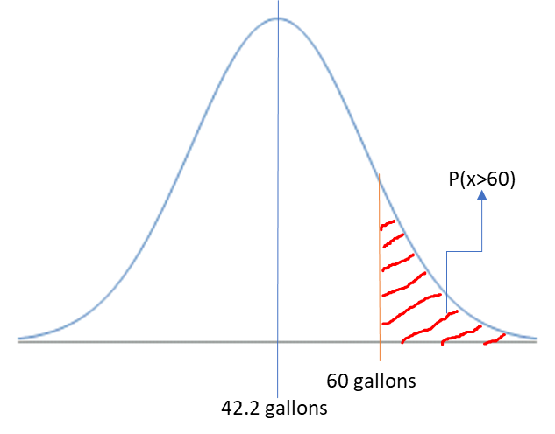
 | i)
 | x | 60
 | p(x > 60) | 1-p(x < 60)
 | p(x < 60) | 0.9145
 | p(x > 60) | 0.0855 | 8.55%

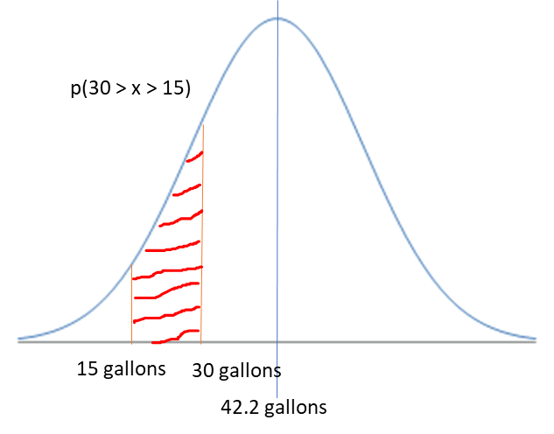
 | ii)
 | x1 | 15
 | x2 | 30

 | p(30 > x > 15) | p(x<30) - p(x<15)

 | p(x<30) | 0.1740
 | p(x<15) | 0.0182
 | p(30 > x > 15) | 0.1558 | 15.58%

 | iii)
 | p(x<15) | 0.0182 | 1.82%

 | iv)
 | x for p=0.99 | 72.4425 | gallons

Learning
 | Default normal distribution formula in excel/python considers the '<' area under the curve, hence working has to be carried out carefully base on the question given.

